LANGKAH 4
Analisa Korelasi Variabel

 | Rumus untuk menghitung Covariance dan Correlation untuk variabel kuantitatif (diskrit dan kontinu)

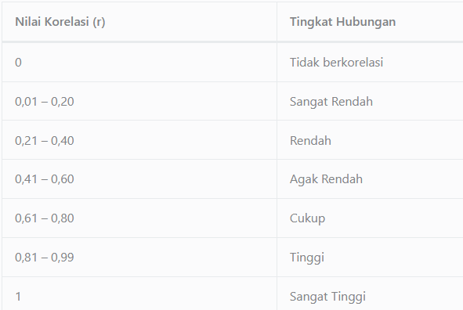

 |  | covariance | correlation
 | JUMLAH DATA | 1338

1. | KORELASI ANTARA AGE DAN BMI
 | mean age | 39.21
 | mean BMI | 30.66
 | std age | 14.045
 | std BMI | 6.096

 | cov(age,BMI) | 11.161
 | corr(age,BMI) | 0.13

 | KESIMPULAN
 | Variabel Age dan BMI berkorelasi secara positif, dengan nilai covariance 11,16.
 | Nilai koefisien korelasinya adalah 0,13 yang artinya kekuatan korelasinya sangat rendah.

2. | KORELASI ANTARA AGE DAN CHILDREN

 | mean age | 39.21
 | mean children | 1
 | std age | 14.050
 | std children | 1.205

 | cov(age,children) | 0.784
 | corr(age,children) | 0.05

 | KESIMPULAN
 | Variabel Age dan children memiliki nilai covariance mendekati 0, yaitu 0,784.Hal ini berarti nyaris tidak ada hubungan antara variabel age dan children.
 | Nilai koefisien korelasinya adalah 0,05 yang artinya nilai kekuatan korelasinya sangat rendah.

3. | KORELASI ANTARA BMI DAN CHILDREN

 | mean BMI | 30.66
 | mean children | 1
 | std BMI | 6.096
 | std children | 1.205

 | cov(BMI, children) | 0.144
 | corr(BMI, children) | 0.02

 | KESIMPULAN
 | Variabel BMI dan children memiliki nilai covariance mendekati 0, yaitu 0,144.Hal ini berarti nyaris tidak ada korelasi antara variabel BMI dan children.
 | Dari hasil perhitungan korelasinya dapat disimpulkan bahwa kekuatan korelasi kedua variabel ini pun sangat rendah

4. | KORELASI ANTARA CHILDREN DAN CHARGE

 | mean children | 1
 | mean charge | 13,270.422
 | std children | 1.205
 | std charge | 12105.485

 | cov(children, charge) | 1014.409
 | corr(children, charge) | 0.07

 | KESIMPULAN
 | Variabel children dan charge berkorelasi secara positif, dengan nilai covariance 1014,409.
 | Nilai koefisien korelasinya adalah 0,07 yang artinya walaupun saling berkorelasi, nilai kekuatan korelasinya sangat rendah.

5. | KORELASI ANTARA BMI DAN CHARGE

 | mean BMI | 30.66
 | mean charge | 13,270.422
 | std BMI | 6.096
 | std charge | 12105.485

 | cov(BMI, charge) | 15256.005
 | corr(BMI, charge) | 0.21

 | KESIMPULAN
 | Variabel BMI dan charge berkorelasi secara positif, dengan nilai covariance 15.256,005
 | BMI dan charge berkolerasi rendah dengan koefisien korelasi sebesar 0.21.

6. | KORELASI ANTARA AGE DAN CHARGE

 | mean age | 39.21
 | mean charge | 13,270.422
 | std age | 14.045
 | std charge | 12105.485

 | cov(age, charge) | 51653.103
 | corr(age, charge) | 0.30

 | KESIMPULAN
 | Variabel age dan charge berkorelasi secara positif, dengan nilai covariance 51653,103
 | age dan charge berkolerasi rendah dengan nilai koefisien korelasi sebesar 0.3.

 | Dari keenam perhitungan diatas diketahui bahwa tidak ada variabel kuantitatif (diskrit maupun kontinu) yang berkorelasi tinggi.
 | korelasi terbesar adalah antara variabel age dan charge, dengan nilai korelasi yang masih termasuk dalam kategori rendah (0.3), diikuti dengan korelasi antara variabel BMI dan charge yang memiliki nilai korelasi 0.21

